Sheet5
 | 10000
 | 20000
Bucket employee into salary range | 30000
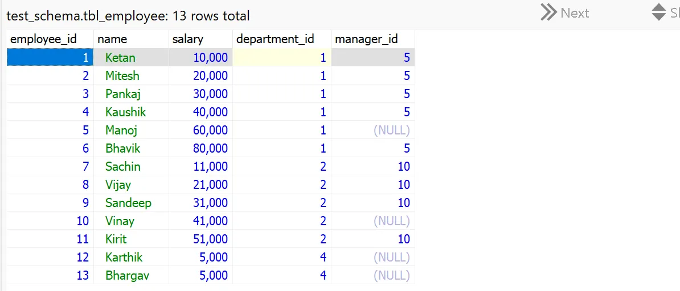
Number of employees in each department
List department with no emploees
Find all employees whose salary is greater than the average salary.
What is second highest salary

Find employees who earn more than their manager
Deleting duplicate record by employee name

